Sheet1
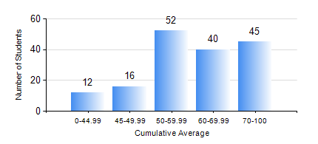
 |  |  | KWAME NKRUMAH UNIVERSITY OF SCIENCE AND TECHNOLOGY, KUMASI Department of Mechanical Engineering

 |  |  | BSC. MECHANICAL ENG.

 |  |  | COMPREHENSIVE RECORD OF EXAMINATION RESULTS

 |  |  | RESULTS OF YEAR 2 SECOND SEMESTER, 2023/2024 ACADEMIC YEAR

 | Sn | Course Code |  | Course Name | Credit Hours | Min. Mark | Max. Mark | Avg. Mark | Std. Dev. | No. Passed | No. Trailed | No. (Df) | No. (I) | No. (I*) | No. Tagged(I,I*,Df) | Total
 | 0. |  |  |  |  |  |  | 0 | 0 | 0 | 0 | 0 | 0 | 0 | 0 | 12
 | 1. | MATH 252 |  | CALCULUS WITH SEVERAL VARIABLES | 4 | 40 | 86 | 62 | 15.59 | 149 | 0 | 0 | 4 | 0 | 4 | 153
 | 2. | ME 252 |  | FLUID DYNAMICS I | 3 | 20 | 99 | 54 | 15.52 | 137 | 11 | 0 | 5 | 0 | 5 | 153
 | 3. | ME 264 |  | MECHANISMS SYNTHESIS AND ANALYSIS I | 3 | 15 | 91 | 59 | 15.72 | 135 | 11 | 0 | 7 | 0 | 7 | 153
 | 4. | ME 266 |  | THERMODYNAMICS I | 2 | 21 | 99 | 67 | 20.62 | 134 | 14 | 0 | 5 | 0 | 5 | 153
 | 5. | ME 274 |  | MACHINE DESIGN PROJECT | 2 | 29 | 82 | 65 | 9.83 | 150 | 1 | 0 | 2 | 0 | 2 | 153
 | 6. | ME 292 |  | INDUSTRIAL ENGINEERING AND ERGONOMICS | 2 | 20 | 88 | 55 | 14.36 | 142 | 5 | 0 | 6 | 0 | 6 | 153
 | 7. | ME 296 |  | MECHANICAL ENGINEERING LAB. II | 1 | 66 | 84 | 79 | 3.44 | 153 | 0 | 0 | 0 | 0 | 0 | 153

